Screenshot
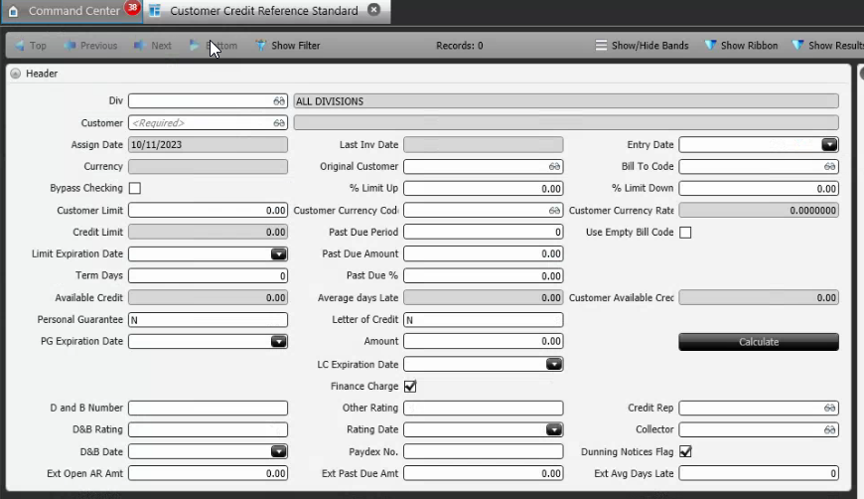
Reference Screen | Customer Credit

